Module 18
Main
 | Module 18 – Non-statutory assurance and other engagements

 | Assurance is often required where the client wants to increase the credibility of the financial or non-financial informtation
 | Assurance can be contracted to give an opinion the increase the credibility of financial or non-financial information
 | International Standards on Quality Management (ISQM (UK))
 | International Standards on Assurance Engagements (ISAE)
 | International Standards on Review Engagements (ISRE)
 | International Standards on Related Services (ISRS)

 | Audited-related services include agreed up procedures and compilation assignments
 | procedures specified in the engagement letter
 | just perform the procedures
 | do not give an opinion
 | report need to be sufficiently detailed and note any exceptions found
 | Assurance engagement is there to let mgmt know the correct way to report on a transaction or set of transactions

 | objective is to enhance the credibility of the underlying subject matter
 | assurance engagements do not always have to be financial
 | can be realted to environment, tech, governance or healthcare

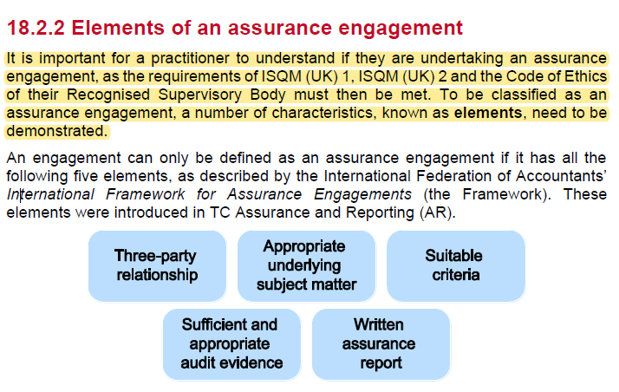

 | Three party relationship

 | Appropriate underlying subject matter
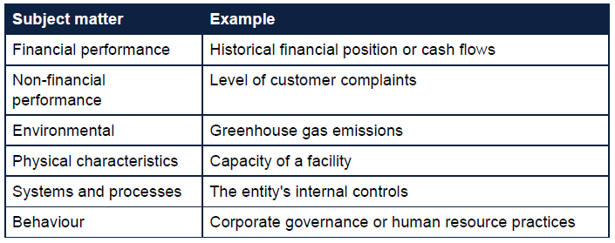

 | Suitable criteria
 | relevant, complete, reliable, neutral and understandable

 | If there is material scope limitation or a material mistatement the the assurance practioner will issues a modified conclusion
 | It is important the conclusion is just a level of assurance and not the factual findings. Leaving the recipient to derive their own conclusion.

 | The crest factors qualify is an engagement should be classed as an assurance engagement

 | CREST
 | Criteria
 | Report
 | Evidence
 | Subject matter
 | Three-party relationship

 | Activity 1: Ace Cranes Ltd
 | An engagement is an assurance engagement when it has each of the following
 | elements:
 | Three-party relationship | Practioner | our firm
 |  | responsible party | ACE
 |  | intended user | grant awarding body
 | Subject matter | expenditure incurred by ACE over the 18 months to 30/06/26
 | Criteria | expenditure incurred versus the terms of the government grant
 | Evidence | review the nature of the expenditure with reference to the terms of the government grant
 |  | review support for the expenditure
 |  | review the date the expenditure was incurred
 | Report | conclude on the level of assurance to whether the subject matter conforms in all material respects with the identified suitable criteria

 | Types of assurance engagements
 | Reasonable assurance
 | Limtied assurance

 | cannot provide assurance services to an audit client
 | who are we providing the report for
 | how does this affect the risk levels involved.
 | whether the accountant is willing to accept any level of duty of care should a third-party place reliance on the report

 | There are various potential outcomes from any preliminary risk assessment when
 | assessing third-party liability. These may include:
 | • Accept the duty of care and include an agreement by the third party in the
 | engagement letter;
 | • Ensure the third party confirms there is no duty of care prior to reporting;
 | • Include a disclaimer of liability to any third party in the report; or
 | • Reject the engagement.

 | By taking the engagement, the assurance practioner is accepting a duty of care around the report they produce

 | There is a materiality consideration to be had when taking on and assurance engagement

 | The minimum content of an assurance engagement report is as follows:
 | • Title clearly indicating the report is an independent assurance report
 | • Addressee
 | • An identification and description of the level of assurance obtained by the practitioner and the underlying subject matter
 | • Identification of the criteria; where these are designed for another purpose this must also be stated
 | • If appropriate, description of any significant, inherent limitation with measurement or evaluation of the subject matter
 | • A statement to identify the responsible party and describe their responsibilities
 | • A statement that the engagement was performed in accordance with ISAEs
 | • A statement that the practitioner’s firm applies ISQM (UK) 1 and ISQM (UK) 2 or other equivalent professional standards
 | • A statement confirming the practitioner's adherence to appropriate professional and ethical standards
 | • An informative summary of the work performed as a basis for the conclusion
 | • The conclusion
 | • The practitioner's signature
 | • The date of the assurance report
 | • The location where the practitioner practices

 | Assurance Practioner opinion

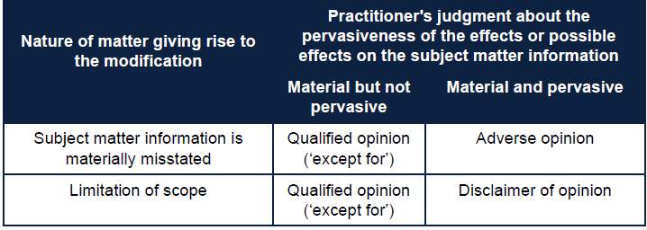

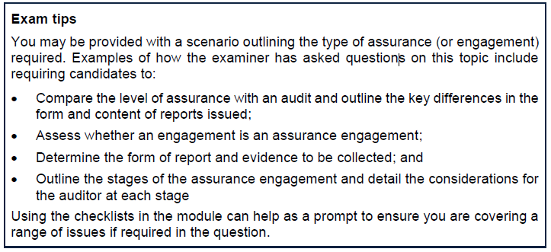

 | Half yearly review is an example of a limited assurance engagements
 | lower level of assurance
 | This is just a half year review rather than an audit
 | mainly obtain evidence through enquiry and analytical procedures
 | Objective and scope of the review is significantly different to that of an audit

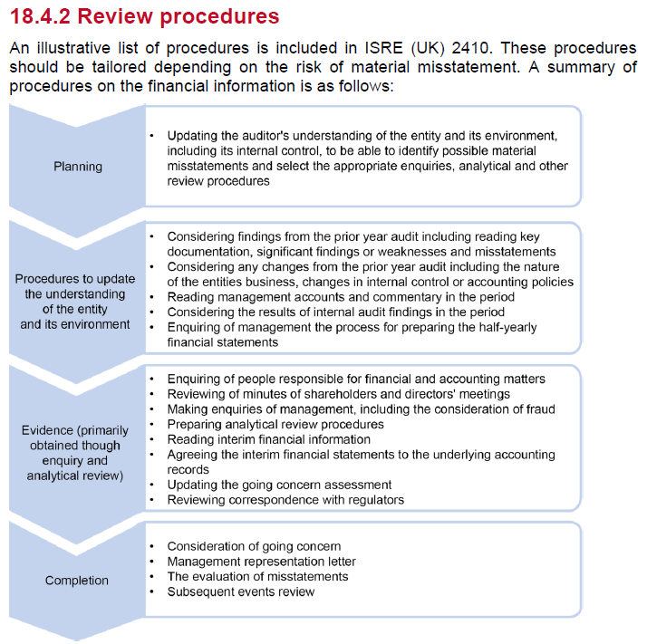

 | basically a QAR
 | deliver a written report with a conclusion on whether anything has come to the attention of the auditor to suggest the information has not been correctly prepared
 | The review should state

 | Prospective financial information
 | forecasts and projections

 | very difficult for a practioner to examine and report on prospective financial information
 | due to level of assumptions, judgements and estimates

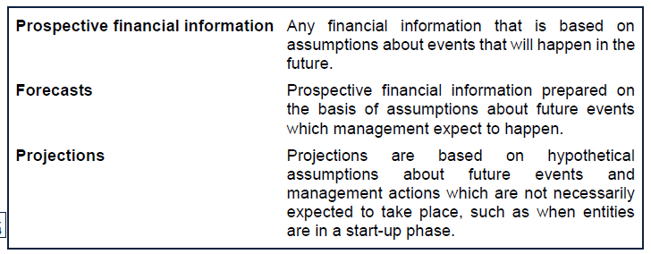

 | for projections, a moderate level of assurance can be provided
 | this is provided through a negative opinion
 | however, the auditor is not precluded from expressing postitive assurance regarding the assumptions used in the model

 | where assumptions used in the estimate are unrealistic or innapropriate the auditor should not accept the engagement or should withdraw if it is a continueing engagement.
 | consider who is using the information and for what purpose they intend to use it

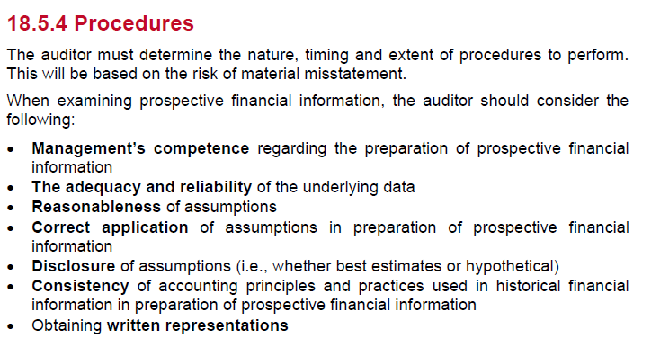

 | Forensic audit
 | application of auditing skills to situations which have legal consequences
 | forensic accounting can be reactive or proactive

 | Controls audit

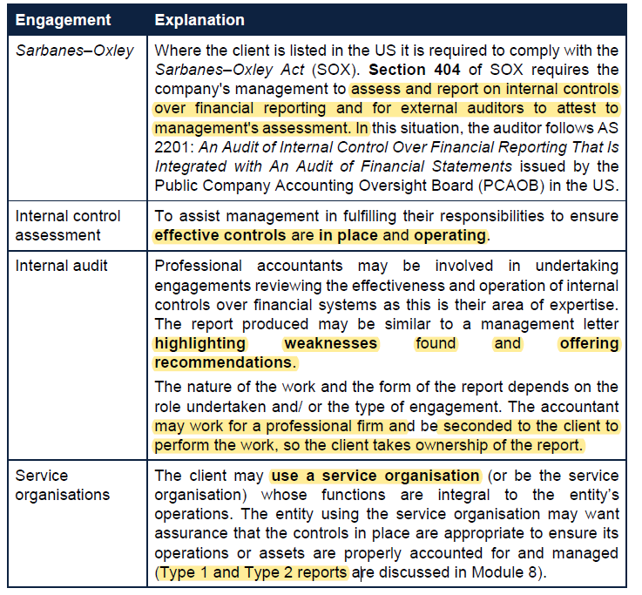

 | Due Diligence engagements

 | Sustainability and other assurances
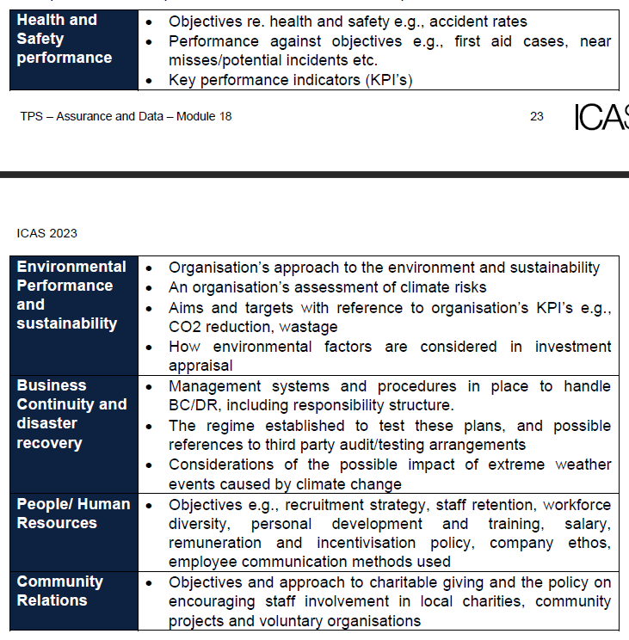

 | Opinion or not
 | And the wording we would expect to give
 | is is postively worded or negatively worded
 | postive - yes, all good
 | negative - we have not noted any exceptions.

 | Activity 2: Assurance and other engagement reports
 | (a) Preparing financial statements for Fraser Ltd is an example of a compilation
 | engagement where Fraser Ltd will be making use of the firm's expertise.
 | This type of engagement provides no assurance and the report produced
 | specifically states that an opinion is not expressed.
 | (b) The council is concerned that the money they have given is used for the
 | designated purpose. This is a reasonable assurance engagement since the
 | council requires the sports organisation to provide them with a positively worded
 | assurance report stating that the money was spent in accordance with the
 | stipulations of the grant.
 | The conclusion of the report could state either 'In our opinion the grant has been
 | spent in line with the terms of the agreement, in all material respects, based on
 | the criteria'; or 'In our opinion the sport's organisation's assertion that the grant
 | money has been spent in line with the terms of the grant agreement, in all material
 | respects, based on the criteria, is fairly stated.'
 | (c) This is an example of an engagement to provide assurance on prospective
 | financial information. The cash flow and profit and loss forecasts on which
 | assurance is required are highly subjective and based on assumptions made by
 | management of Tremendous Tots Ltd.
 | The prospective financial information report will contain the following:
 | 1. Moderate assurance will be provided in the form of a statement of negative
 | assurance.
 | Assuming the opinion is unmodified, the wording of the conclusion would
 | state that 'nothing has come to our attention which causes us to believe that
 | these assumptions do not provide a reasonable basis for the forecasts'.
 | 2. An opinion as to whether the prospective financial information is properly
 | prepared on the basis of the assumptions and is presented in accordance
 | with the relevant financial reporting framework.
 | The report would state that 'in our opinion the forecast is properly prepared
 | on the basis of the assumptions and is presented in accordance with….'

